Order form
DELTA20190624EN
100 | Language |  | English |  | LIFTBOY 1 |  |  |  |  |  | Date | 2022-06-27
110 |  |  |  |  | ORDER FORM |  |  |  |  |  | Version | Lehner 01

Salling 8
4724 Neukirchen am Walde
Austria
 |  |  |  |  |  |  | Distributor: (always fill out) |  |  | Delivery address: (always fill out)
120 | Company: | Lehner Lifttechnik GmbH |  |  |  |  | Company |  |  | Company
140 | Adress: | Salling 8 |  |  |  |  | Address |  |  | Address
150 | Postcode: | A - 4724 |  |  |  |  | Postcode |  |  | Postcode
160 | City: | Neukirchen am Walde |  |  |  |  | City |  |  | City
170 | Country: | Austria |  |  |  |  | Country |  |  | Country
180 | Phone no: | +43 7278 3514-0 |  |  |  |  | Telephone |  |  | Telephone
190 | E-mail: | office@lehnerlifttechnik.at |  |  |  |  | Email
220 | Pick up address for lifts: Spedition Englmayer, Wiesenstrasse 71, 4600 Wels, Austria

 | Production no. |  |  | Order reference name (or number)
230

1000 | Liftboy type |  |  |  |  |  |  | LIFTBOY 1 - Lifting height 595 mm / 180 kg capacity |  |  |  |  | LEFT - Side exit on upper landing | RIGHT - Side exit on upper landing
1010 | Lifting height exact (optional)
 | Pit (if applicable) in mm |  |  |  |  |  |  | No (standard)
 | Installation location |  |  |  |  |  |  | Indoor
 | Loading ramp |  |  |  |  |  |  | Automatic
 | Side exit on upper landing |  |  |  |  |  |  | No (standard)
 | Side entry on lower landing |  |  |  |  |  |  | No (standard) |  |  |  |  | LEFT - Side entry on lower landing | RIGHT - Side entry on lower landing
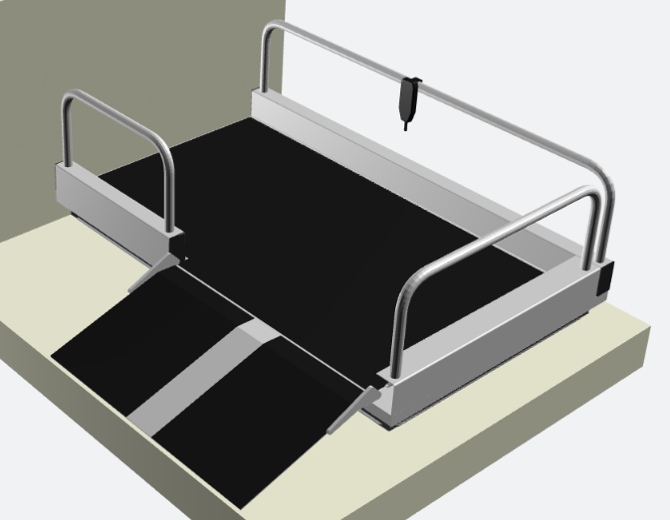
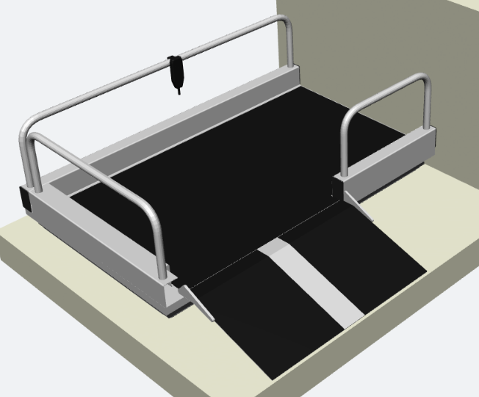
1020 | Surface color |  |  |  |  |  |  | RAL 7035 (standard)

 | Extra options
1040 | Pillar for control panel |  |  |  |  |  |  | No
1050 | Contact bar |  |  |  |  |  |  | No
1060 | Hard wired external control station |  |  |  |  |  |  | No
1070 | Radio controlled external control station |  |  |  |  |  |  | No
 | Pillar for external control fixation |  |  |  |  |  |  | No
1080 | Higher lateral barriers (900 mm) |  |  |  |  |  |  | No
1090 | 750 mm access ramp |  |  |  |  |  |  | No
1110 | Special size access ramp |  |  |  |  |  |  | No |  |  |  |  | Gate opening direction DIN
1130 | Transport wheels |  |  |  |  |  |  | No
1140 | Safety bar for upper landing |  |  |  |  |  |  | No |  |  |  |  | Left
1150 | Gate on upper landing |  |  |  |  |  |  | No
1160 | Type of upper landing gate |  |  |  |  |  |  | - |  |  |  |  | Right

 | Further specifications
1210 | Transport box |  |  |  |  |  |  | Q1 - cardboard box (standard)
 | Electric supply position |  |  |  |  |  |  | Back - right side

 | Additional information

1480

240 | Delivery date |  |  | Week |  | 2022 |  |  | Prepared by

